Sheet1
ID | User story headings | Poker points | Team photos
1 | Health Point | 13
2 | Magic Point | 13
3 | Health Potion | 1
4 | Magic Potion | 2
5 | Fire Magic | 5
6 | Forzen Magic | 13
7 | Lightning Magic | 21
8 | Charge Attack | 55
9 | Double Jump | 21
10 | Armor | 5
11 | Buff | 90
12 | BuffIcon | 13
13 | Status | 55 | 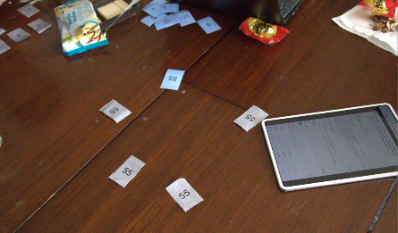 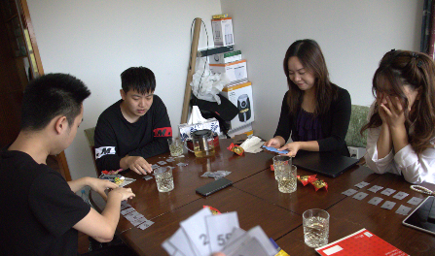
14 | Durability | 55
15 | Pickup | 21
16 | Coins | 5
17 | Shop | 90
18 | Upgrade | 21
19 | Skill Effect Combinations | 90
20 | Difficulty Design | 150 | 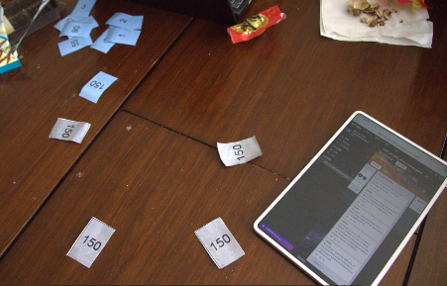 
21 | Boss | 90
22 | Elite Enemies | 13
23 | Jump Attack | 90
24 | Stunned State | 2
25 | Cooldown | 2
26 | Clearance Timer | 2 | 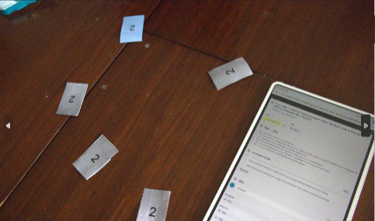 
27 | Clearance Score | 13
28 | Flying Enemies | 13
29 | Bonus Level | 90 | 
30 | Volume Control | 3
31 | Puzzle | 90
32 | Hint | 3
33 | Achievement | 150
34 | EasterEgg | 55
35 | Tutorial | 55
36 | Attack | 13
37 | Jump | 90
38 | Dodge | 13
39 | Difficulties | 5 | 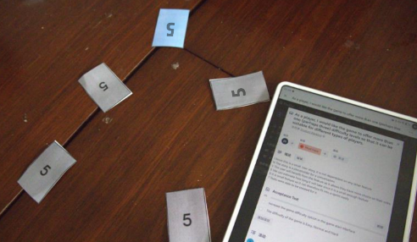 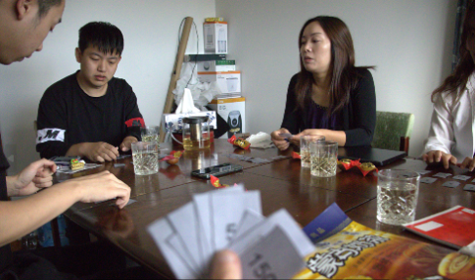
40 | Portals | 13
41 | BGM | 2
42 | SFX | 13
43 | Bonus Levels | 125
44 | Oneway Platform | 5
45 | Run | 5
46 | Game Save | 150
47 | Move | 13 | 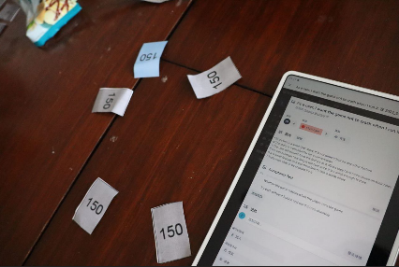 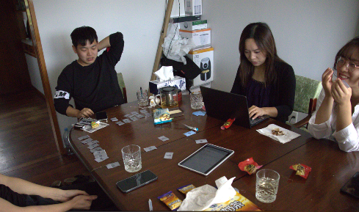
48 | Main Menu | 21

